GLSN of 2015_method #2
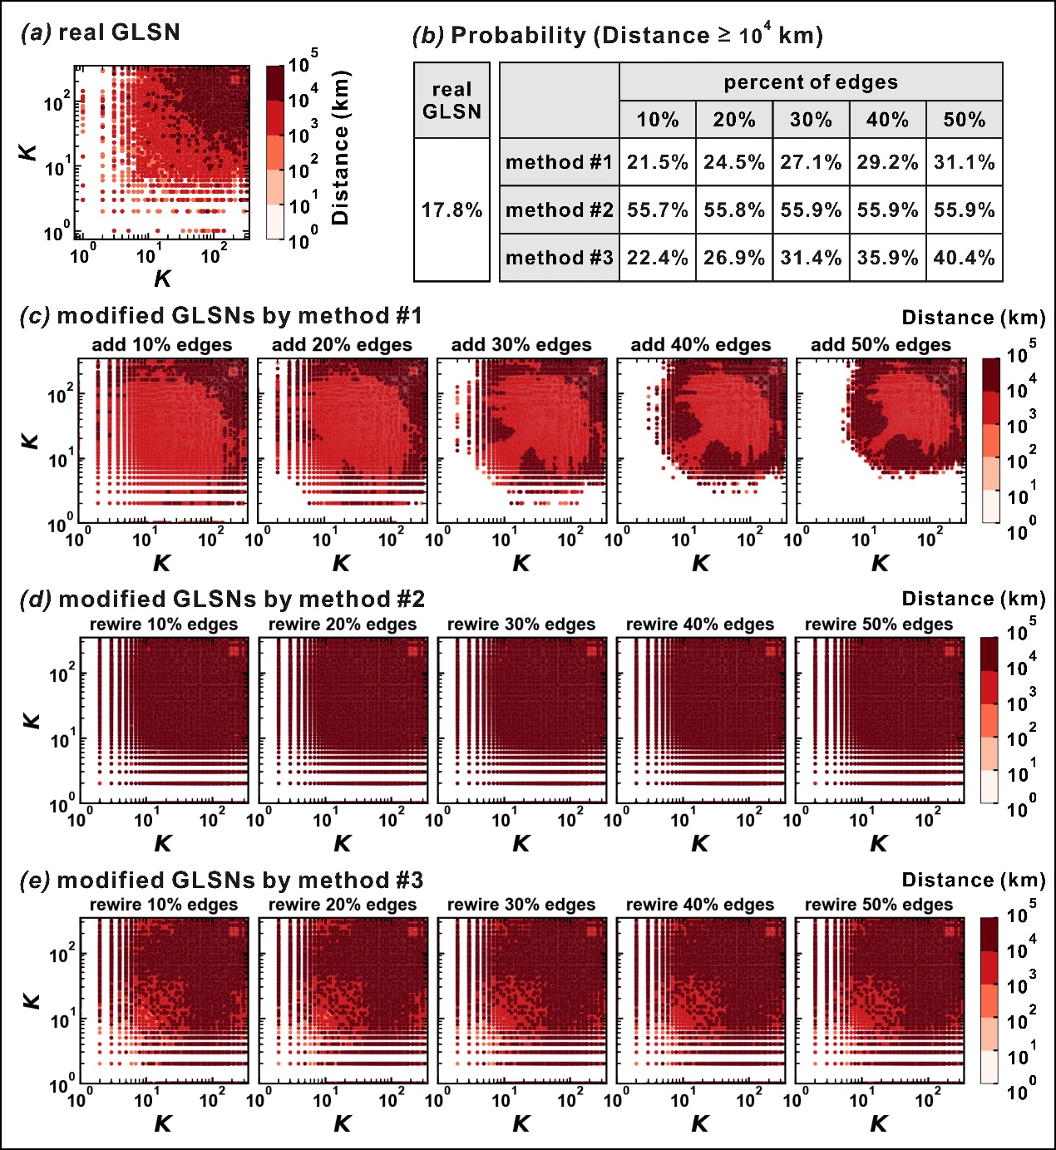
real GLSN | percent of edges: 10% | percent of edges: 20% | percent of edges: 30% | percent of edges: 40% | percent of edges: 50%
17.8 | 55.7 | 55.8 | 55.9 | 55.9 | 55.9

